Cover
Phase | IMP | Project | Toyota Part Export System |  |  |  |  |  |  |  |  | Page
Block |  | DevSecOps |  |  |  | Function | CI/CD Pipeline Design Document | Created | 2-Dec-22 |  | by |  | FTH) Suttichai
Document |  | CICD Pipeline Configuration |  |  |  | Title | Cover | Revised | 2-Dec-22 |  | by |  | FTH) Suttichai

Confidential

 |  |  |  | CICD Pipeline Configuration Toyota Part Export System

 |  |  |  | Toyota Part Export System

 |  |  |  |  | 2-Dec-22
 |  |  |  |  | Version. 1.0

 |  |  |  |  |  |  |  |  |  | Approved

1
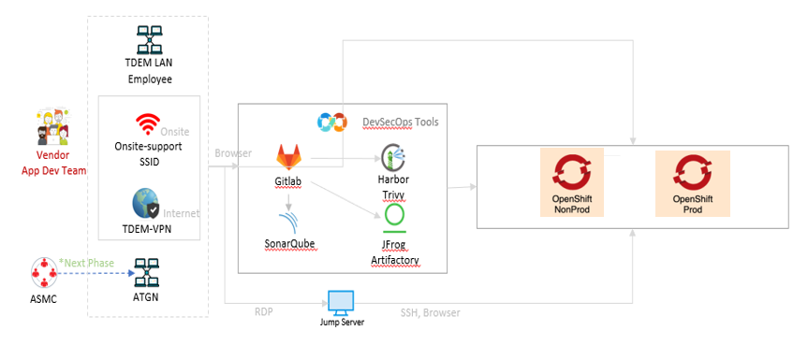
Phase |  | IMP | Project | Toyota Part Export System |  |  |  |  |  | Page | 1
Block |  |  | DevSecOps |  | Function | CI/CD Pipeline Design Document | Created | 2-Dec-22 | by |  | FTH) Suttichai
Document |  |  | CICD Pipeline Configuration |  | Title | Design and Approach | Revised | 2-Dec-22 | by |  | FTH) Suttichai

 | DevSecOps Architecture

2-2
Phase | IMP |  | Project |  | Toyota Part Export System |  |  |  |  |  |  |  |  |  |  | Page | 2-2
Block |  |  | DevSecOps |  |  |  |  | Function | CI/CD Pipeline Design Document |  |  | Created |  | 2-Dec-22 | by |  | FTH) Suttichai
Document |  |  | CICD Pipeline Configuration |  |  |  |  | Title | Design and Approach |  |  | Revised |  | 2-Dec-22 | by |  | FTH) Suttichai

 | Gitlab of Toyota Part Export System

 | Gitlab of Toyota Part Export System |  |  |  |  | https://scm.ap.toyota-asia.com/tdem/toyota-part-export-system-tpex
 | Gitlab Structure
 | Gitlab Project Tree |  |  | Gitlab Level |  |  | Maintainer Role |  |  | Developer Role
 | Gitlab |  |  | Gitlab Server
 | TDEM |  |  | Gitlab Group
 | <Project Name> |  |  | Gitlab Sub Group
 | Service1 |  |  | Gitlab Project |  |  | CICD Pipeline & SCM |  |  | SCM
 | Service2 |  |  | Gitlab Project |  |  | CICD Pipeline & SCM |  |  | SCM
 | Service3 |  |  | Gitlab Project |  |  | CICD Pipeline & SCM |  |  | SCM

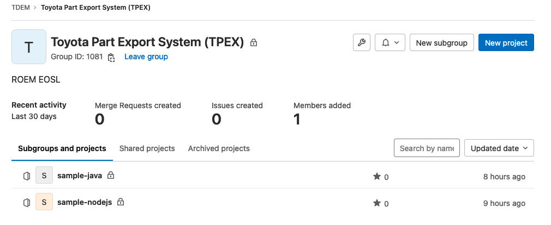

 | Gitlab Role

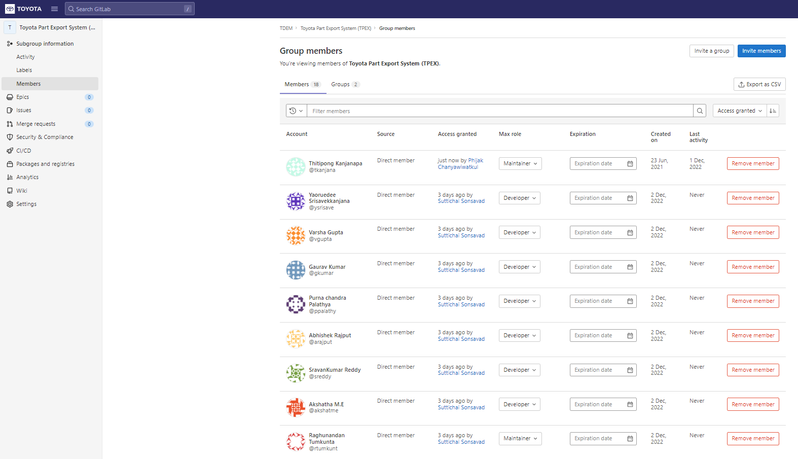

 |  | Action |  |  |  |  |  |  | Maintainer |  | Developer |  | Reporter
 |  | Create Sub-Group |  |  |  |  |  |  | Y
 |  | Create Project |  |  |  |  |  |  | Y |  | Y
 |  | Run CI/CD Pipeline |  |  |  |  |  |  | Y
 |  | View CI/CD Pipeine |  |  |  |  |  |  | Y |  |  |  | Y
 |  | View Project Repo |  |  |  |  |  |  | Y |  | Y |  | Y
 |  | Manage CI/CD Pipeline & Manage Gitlab variable in Group
 |  | Manage CI/CD Pipeline & Manage Gitlab in Gitlab Project (Service) |  |  |  |  |  |  | Y
 |  | Edit or push to master branch |  |  |  |  |  |  | Y
 |  | Edit or push to non-master branch |  |  |  |  |  |  | Y |  | Y

2-3
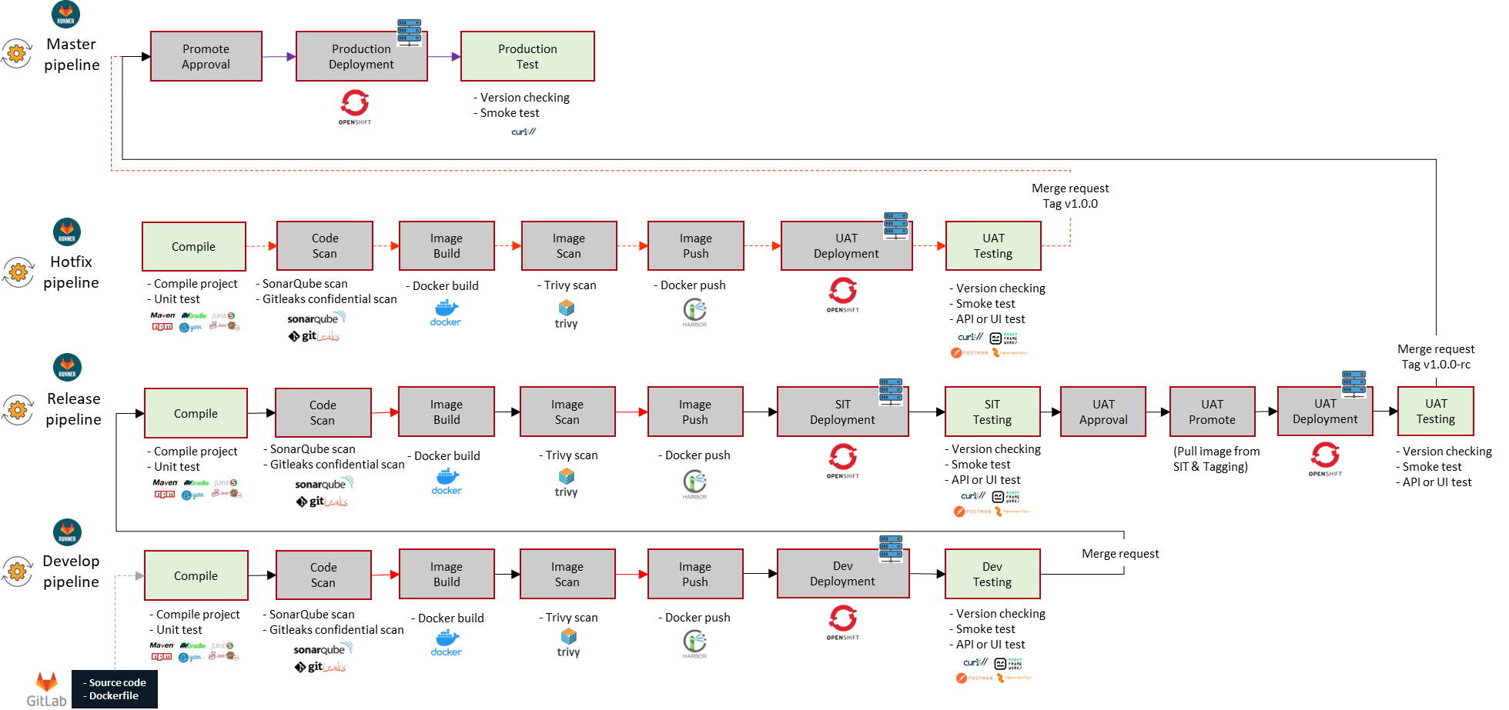
Phase | IMP | Project | Toyota Part Export System |  |  |  |  |  | Page | 2-3
Block |  | DevSecOps |  | Function | CI/CD Pipeline Design Document | Created | 2-Dec-22 | by |  | FTH) Suttichai
Document |  | CICD Pipeline Configuration |  | Title | Design and Approach | Revised | 2-Dec-22 | by |  | FTH) Suttichai

 | Branching strategy

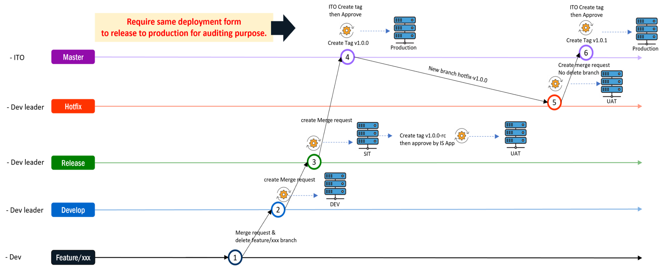

-Trial-1.0.1 branch

 | Gitlab Main States/Jobs for Toyota Part Export System

2-4
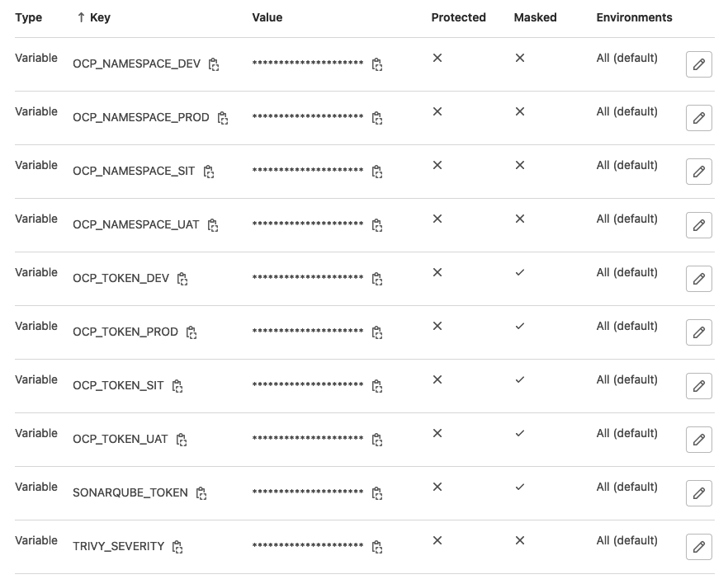
Phase |  | IMP | Project | Toyota Part Export System |  |  |  |  |  |  | Page | 2-4
Block |  |  | DevSecOps |  |  | Function | CI/CD Pipeline Design Document | Created | 2-Dec-22 | by |  | FTH) Suttichai
Document |  |  | CICD Pipeline Configuration |  |  | Title | Design and Approach | Revised | 2-Dec-22 | by |  | FTH) Suttichai

 | Gitlab Variable in Toyota Part Export System

 | Toyota Part Export System > Setting > CI/CD > Variables |  |  |  | https://scm.ap.toyota-asia.com/groups/tdem/toyota-part-export-system-tpex/-/settings/ci_cd

 | Variable |  |  | Description
 | OCP_NAMESPACE_DEV
 | OCP_NAMESPACE_PROD
 | OCP_NAMESPACE_SIT
 | OCP_NAMESPACE_UAT
 | OCP_TOKEN_DEV
 | OCP_TOKEN_PROD
 | OCP_TOKEN_SIT
 | OCP_TOKEN_UAT
 | SONARQUBE_TOKEN
 | TRIVY_SEVERITY

2-5
Phase |  | IMP | Project | Toyota Part Export System |  |  |  |  |  |  | Page | 2-5
Block |  |  | DevSecOps |  |  | Function | CI/CD Pipeline Design Document | Created | 2-Dec-22 | by |  | FTH) Suttichai
Document |  |  | CICD Pipeline Configuration |  |  | Title | Design and Approach | Revised | 2-Dec-22 | by |  | FTH) Suttichai

 | sample-demo-project : sample-java
 | (As a reference only, not necessary to follow. Pipeline can created up to Project requirement needs)

 | TDEM > Toyota Part Export System (TPEX) > sample-java |  |  |  | https://scm.ap.toyota-asia.com/tdem/toyota-part-export-system-tpex/sample-java

 | .gitlab-ci.yml

 |  | default:
 |  | tags:
 |  | - docker
 |  | cache:
 |  | paths:
 |  | - .m2/repository
 |  | stages:
 |  | - compile
 |  | - code scan
 |  | - image build
 |  | - image scan
 |  | - image push
 |  | - dev deployment
 |  | - sit deployment
 |  | - uat approval
 |  | - uat promote
 |  | - uat deployment
 |  | - prod approval
SERVICE_NAME = your project Service Name
 |  | - prod deployment
 |  | - testing

 |  | variables:
 |  | ## PROJECT_NAME and SERVICE_NAME cannot use underscore "_"
 |  | PROJECT_NAME: "toyota-part-export-system" # Harbor repository name
 |  | SERVICE_NAME: "sample-java" # OpenShift service name
 |  | SERVICE_VERSION: "v1.0.0" # Service version using for tagging on Harbor

 |  | MAVEN_OPTS: "-Dmaven.repo.local=$CI_PROJECT_DIR/.m2/repository"
 |  | MAVEN_CLI_OPTS: "-P otherOutputDir -DskipTests"
 |  | DIRECTORY_BUILD: "build/libs"
 |  | SOURCE_SCAN_PATH: "."
 |  | SONAR_CONFIG : "-Dsonar.java.binaries=./build/libs/ -Dsonar.qualitygate.timeout=360"

Common script for TPEX project
 |  | include:
 |  | - project: "DevSecOps/cicd-template"
 |  | ref: master
 |  | file: "/templates/DS9/template-pipeline-v1.0.0.yml"

 |  | # REMOVE! : Create new template on here https://scm.ap.toyota-asia.com/devsecops/cicd-template/-/tree/master/templates/<project_name>
 |  | # REMOVE! : Jobs template for Build NodeJS for 4 Environment template-pipeline-v1.0.0.yml https://scm.ap.toyota-asia.com/devsecops/cicd-template/-/blob/master/templates/ep0/template-pipeline-v1.0.0.yml

 |  | compile:
 |  | stage: compile
 |  | image: $DOMAIN_NAME_TCR/hubdocker/library/openjdk:12-alpine
 |  | script:
 |  | - sed -i "s/SERVICE_VERSION/$SERVICE_VERSION/" ./src/main/resources/application.properties
 |  | - chmod +x mvnw
 |  | - echo "add a comment after Gitlab migrate"
 |  | #- ./mvnw package
 |  | - ./mvnw $MAVEN_CLI_OPTS package
 |  | - ls -la && ls -la $DIRECTORY_BUILD && pwd
 |  | #- ls ./target/apwarrantydemo-0.0.1-SNAPSHOT.jar
 |  | #- mkdir build && mkdir ./build/libs
 |  | - mv ./build/libs/apwarrantydemo-0.0.1-SNAPSHOT.jar $DIRECTORY_BUILD/app.jar
 |  | - echo $SONAR_CONFIG
 |  | artifacts:
 |  | paths:
 |  | - $DIRECTORY_BUILD
 |  | only:
 |  | - develop
 |  | - release
 |  | - /^hotfix-v[0-9]\d*(\.[0-9]\d*)*$/

 |  | .version checking:
 |  | stage: testing
 |  | image: $DOMAIN_NAME_TCR/hubdocker/everpeace/curl-jq:latest
 |  | tags:
 |  | - docker
 |  | script:
 |  | #- curl -k $SERVICE_URL/actuator/info | jq -r .app.version | grep $SERVICE_VERSION
 |  | - echo "version checking.."

 |  | .smoke test:
 |  | stage: testing
 |  | image: $DOMAIN_NAME_TCR/hubdocker/everpeace/curl-jq:latest
 |  | tags:
 |  | - docker
 |  | script:
 |  | #- curl -k $SERVICE_URL/actuator/health | jq -r .status |grep "UP"
 |  | - echo "smoke testing.."
 |  | .api test:
 |  | stage: testing
 |  | image:
 |  | name: $DOMAIN_NAME_TCR/hubdocker/postman/newman:latest
 |  | entrypoint: [""]
 |  | tags:
 |  | - docker
 |  | before_script:
 |  | - apk add sed
 |  | - npm i -g newman-reporter-htmlextra
 |  | script:
 |  | #- sed -i 's~${SERVICE_URL}~'"$SERVICE_URL"'~' ./test/apitesting/Moderna_OpenShift_SIT.postman_environment.json
 |  | #- newman --version
 |  | #- newman run "./test/apitesting/Cars_API_SpringBoot.postman_collection.json" -k --environment "./test/apitesting/Moderna_OpenShift_SIT.postman_environment.json" --reporters cli,htmlextra,junit --reporter-htmlextra-export "newman/report.html" --reporter-junit-export "newman/report.xml"
 |  | - echo "api testing..."
 |  | artifacts:
 |  | when: always
 |  | paths:
 |  | - newman/
 |  | reports:
 |  | junit: newman/report.xml

 |  | # DEV Testing
 |  | version checking:develop:
 |  | extends: .version checking
 |  | variables:
 |  | SERVICE_URL: $SERVICE_DEV_URL
 |  | only:
 |  | - develop

 |  | smoke test:develop:
 |  | extends: .smoke test
 |  | variables:
 |  | SERVICE_URL: $SERVICE_DEV_URL
 |  | only:
 |  | - develop

 |  | api test:develop:
 |  | extends: .api test
 |  | variables:
 |  | SERVICE_URL: $SERVICE_DEV_URL
 |  | only:
 |  | - develop

 |  | # SIT Testing
 |  | version checking:sit:
 |  | extends: .version checking
 |  | variables:
 |  | SERVICE_URL: $SERVICE_SIT_URL
 |  | only:
 |  | - release

 |  | smoke test:sit:
 |  | extends: .smoke test
 |  | variables:
 |  | SERVICE_URL: $SERVICE_SIT_URL
 |  | only:
 |  | - release

 |  | api test:sit:
 |  | extends: .api test
 |  | variables:
 |  | SERVICE_URL: $SERVICE_SIT_URL
 |  | only:
 |  | - release

 |  | # UAT Testing
 |  | version checking:uat:
 |  | extends: .version checking
 |  | variables:
 |  | SERVICE_URL: $SERVICE_UAT_URL
 |  | only:
 |  | #- release
 |  | - /^v[0-9]\d*(\.[0-9]\d*)+-rc\d*$/
 |  | - /^hotfix-v[0-9]\d*(\.[0-9]\d*)*$/

 |  | smoke test:uat:
 |  | extends: .smoke test
 |  | variables:
 |  | SERVICE_URL: $SERVICE_UAT_URL
 |  | only:
 |  | #- release
 |  | - /^v[0-9]\d*(\.[0-9]\d*)+-rc\d*$/
 |  | - /^hotfix-v[0-9]\d*(\.[0-9]\d*)*$/

 |  | api test:uat:
 |  | extends: .api test
 |  | variables:
 |  | SERVICE_URL: $SERVICE_UAT_URL
 |  | only:
 |  | #- release
 |  | - /^v[0-9]\d*(\.[0-9]\d*)+-rc\d*$/
 |  | - /^hotfix-v[0-9]\d*(\.[0-9]\d*)*$/

 |  | # PROD Testing
 |  | version checking:prod:
 |  | extends: .version checking
 |  | variables:
 |  | SERVICE_URL: $SERVICE_PROD_URL
 |  | only:
 |  | - /^v[0-9]\d*(\.[0-9]\d*)*$/

 |  | smoke test:prod:
 |  | extends: .smoke test
 |  | variables:
 |  | SERVICE_URL: $SERVICE_PROD_URL
 |  | only:
 |  | - /^v[0-9]\d*(\.[0-9]\d*)*$/

 | Gitlab Template for toyota part export system

 | DevSecOps > cicd-template > templates > DS9 > template-pipeline-v1.0.0.yml
 | https://scm.ap.toyota-asia.com/devsecops/cicd-template/-/blob/master/templates/DS9/template-pipeline-v1.0.0.yml

 | include:
 | - local: /stages/code-scan/code-scan-sonar-and-gitleaks-v1.0.0.yml
 | - local: /stages/image-build/image-build-v1.0.0.yml
 | - local: /stages/image-scan/image-scan-v1.0.0.yml
 | - local: /stages/image-push/image-push-v1.0.0.yml
 | - local: /stages/dev-deployment/dev-deployment-v1.0.0.yml
 | - local: /stages/sit-deployment/sit-deployment-v1.0.0.yml
 | - local: /stages/uat-approval/uat-approval-v1.0.0.yml
 | - local: /stages/uat-promote/uat-promote-v1.0.0.yml
 | - local: /stages/uat-deployment/uat-deployment-v1.0.0.yml
 | - local: /stages/prod-approval/prod-approval-v1.0.0.yml
 | - local: /stages/prod-deployment/prod-deployment-v1.0.0.yml

2-6
Phase |  | IMP | Project | Toyota Part Export System |  |  |  |  |  |  | Page | 2-5
Block |  |  | DevSecOps |  |  | Function | CI/CD Pipeline Design Document | Created | 2-Dec-22 | by |  | FTH) Suttichai
Document |  |  | CICD Pipeline Configuration |  |  | Title | Design and Approach | Revised | 2-Dec-22 | by |  | FTH) Suttichai

 | sample-demo-project : sample-nodejs
 | (As a reference only, not necessary to follow. Pipeline can created up to Project requirement needs)

 | TDEM > Toyota Part Export System (TPEX) > sample-nodejs |  |  |  | https://scm.ap.toyota-asia.com/tdem/toyota-part-export-system-tpex/sample-nodejs
 | TDEM > mobility-service-software-development > Sample Web Frontend to s3
 | stages:
 | - compile
 | # - unit test
 | - code scan
 | - image build
 | - image scan
 | - image push
 | - dev deployment
 | - sit deployment
 | - uat approval
 | - uat promote
 | - uat deployment
 | - prod approval
 | - prod deployment
 | - testing

 | # This folder is cached between builds
 | cache:
 | paths:
 | - node_modules/

SERVICE_NAME = your project Service Name
 | variables:
 | ## PROJECT_NAME and SERVICE_NAME cannot use underscore "_" test pipeline by norapatra
 | PROJECT_NAME: "toyota-part-export-system" # Harbor repository name
 | SERVICE_NAME: "sample-nodejs" # OpenShift service name
 | SERVICE_VERSION: "v1.0.0" # Service version using for tagging on Harbor
 | SOURCE_SCAN_PATH: "."
 | # SONAR_CONFIG : "-Dsonar.java.binaries=. -Dsonar.qualitygate.timeout=360"

Common script for TPEX project
 | include:
 | - project: "DevSecOps/cicd-template"
 | ref: master
 | file: "/templates/DS9/template-pipeline-v1.0.0.yml"

 | compile:
 | stage: compile
 | image: $DOMAIN_NAME_TCR/hubdocker/library/node:14.17.4-slim
 | tags:
 | - docker
 | script:
 | - echo "Start building App"
 | - cd src
 | - npm install
 | - echo "building successfully"
 | only:
 | - develop
 | - release
 | - /^hotfix-v[0-9]\d*(\.[0-9]\d*)*$/

 | # unit test:
 | # stage: unit test
 | # image: $DOMAIN_NAME_TCR/hubdocker/library/node:14.17.4-slim
 | # tags:
 | # - docker
 | # script:
 | # - echo "Start unit test "
 | # - 'jest --ci --reporters=default --reporters=jest-junit'
 | # - echo "unit test successfully"
Testing script. Please modify again refer to your project application testing
 | # artifacts:
 | # when: always
 | # expire_in: 1 week
 | # reports:
 | # junit:
 | # - junit.xml
 | # only:
 | # - develop
 | # - release
 | # - /^hotfix-v[0-9]\d*(\.[0-9]\d*)*$/
 | stage: testing
 | image: $DOMAIN_NAME_TCR/hubdocker/everpeace/curl-jq:latest
 | tags:
 | - docker
 | script:
 | #- curl -k $SERVICE_URL/actuator/info | jq -r .app.version | grep $SERVICE_VERSION
 | - echo "testing service [actuator] status"

 | .smoke test:
 | stage: testing
 | image: $DOMAIN_NAME_TCR/hubdocker/everpeace/curl-jq:latest
 | tags:
 | - docker
 | script:
 | #- curl -k $SERVICE_URL/actuator/health | jq -r .status |grep "UP"
 | - a=`curl http://10.249.13.103:8080/weatherforecast`
 | - echo $a
 | - echo "smoke testing"

 | .api test:
 | stage: testing
 | image:
 | name: $DOMAIN_NAME_TCR/hubdocker/postman/newman:latest
 | entrypoint: [""]
 | tags:
 | - docker
 | before_script:
 | #- apk add sed
 | #- npm i -g newman-reporter-htmlextra
 | script:
 | - echo "testing api Newman"

 | # DEV Testing
 | version checking:develop:
 | extends: .version checking
 | variables:
 | SERVICE_URL: $SERVICE_DEV_URL
 | only:
 | - develop

 | smoke test:develop:
 | extends: .smoke test
 | variables:
 | SERVICE_URL: $SERVICE_DEV_URL
 | only:
 | - develop

 | api test:develop:
 | extends: .api test
 | variables:
 | SERVICE_URL: $SERVICE_DEV_URL
 | only:
 | - develop

 | # PROD Testing
 | version checking:prod:
 | extends: .version checking
 | variables:
 | SERVICE_URL: $SERVICE_PROD_URL
 | only:
 | - /^v[0-9]\d*(\.[0-9]\d*)*$/

 | smoke test:prod:
 | extends: .smoke test
 | variables:
 | SERVICE_URL: $SERVICE_PROD_URL
 | only:
 | - /^v[0-9]\d*(\.[0-9]\d*)*$/

 | deployment:develop:
 | stage: deployment
 | image: $DOMAIN_NAME_TCR/golden-image/tdem/aws-azure-login-tdem:1.1
 | before_script:
 | - |
 | apt-get update \
 | && apt-get install -y python-pip
 | - pip install awscli
 | - curl -o kubectl http://THEPAIFD01.tmap-em.toyota-asia.com/download/Runner/kubectl/1.22.6/kubectl
 | - aws --version
 | - mkdir /root/.aws

 | script:
 | - echo "[default]" >> /root/.aws/config
 | - echo "azure_tenant_id=$AZURE_TENANT_ID" >> /root/.aws/config
 | - echo "azure_app_id_uri=$AZURE_APP_ID_URI" >> /root/.aws/config
 | - echo "azure_default_username=$AZURE_DEFAULT_USERNAME" >> /root/.aws/config
 | - echo "azure_default_role_arn=$AZURE_DEFAULT_ROLE_ARN" >> /root/.aws/config
 | - echo "azure_default_duration_hours=$AZURE_DEFAULT_DURATION_HOURS" >> /root/.aws/config
 | - echo "azure_default_remember_me=$AZURE_DEFAULT_REMEMBER_ME" >> /root/.aws/config
 | - echo "[profile non-prod]" >> /root/.aws/config
 | - echo "role_arn=$ROLE_ARN_NONPROD" >> /root/.aws/config
 | - echo "source_profile=$SOURCE_PROFILE" >> /root/.aws/config
 | - echo "region=$REGION" >> /root/.aws/config
 | - aws-azure-login --no-sandbox --no-prompt
 | # Add Handle a timeout issue when login via AWS SAML
 | - |
 | if [ ! -f /root/.aws/credentials ]; then CREDFILE=1; else CREDFILE=0; fi
 | echo $CREDFILE
 | COUNT=0
 | while [ "$CREDFILE" -eq 1 ]
 | do
 | if [ "$COUNT" -eq 5 ] ; then
 | exit 0
 | fi
 | if [ "$CREDFILE" -eq 0 ]; then
 | exit 0
 | fi
 | COUNT=`expr $COUNT + 1`
 | sleep 30
 | echo "Sleep 30s"
 | aws-azure-login --no-sandbox --no-prompt
 | if [ ! -f /root/.aws/credentials ]; then CREDFILE=1; else CREDFILE=0; fi
 | echo 'Timeout is suspected ' $COUNT
 | done
 | echo Done
 | ### Remark: Development Team can modify this command below refer to your project needs
 | - aws sts get-caller-identity --profile non-prod
 | - echo "eks deployment start"
 | - aws eks --region $REGION update-kubeconfig --name tcoth-dev-eks-cluster --profile non-prod
 | - kubectl get nodes

 | only:
 | - develop

 | deployment:prod:
 | stage: deployment
 | image: $DOMAIN_NAME_TCR/golden-image/tdem/aws-azure-login-tdem:1.1
 | before_script:
 | - |
 | apt-get update \
 | && apt-get install -y python-pip
 | - pip install awscli
 | - curl -o kubectl http://THEPAIFD01.tmap-em.toyota-asia.com/download/Runner/kubectl/1.22.6/kubectl
 | - aws --version
 | - mkdir /root/.aws
 | #- apt-get install jq -y
 | script:
 | - echo "[default]" >> /root/.aws/config
 | - echo "azure_tenant_id=$AZURE_TENANT_ID" >> /root/.aws/config
 | - echo "azure_app_id_uri=$AZURE_APP_ID_URI" >> /root/.aws/config
 | - echo "azure_default_username=$AZURE_DEFAULT_USERNAME" >> /root/.aws/config
 | - echo "azure_default_role_arn=$AZURE_DEFAULT_ROLE_ARN" >> /root/.aws/config
 | - echo "azure_default_duration_hours=$AZURE_DEFAULT_DURATION_HOURS" >> /root/.aws/config
 | - echo "azure_default_remember_me=$AZURE_DEFAULT_REMEMBER_ME" >> /root/.aws/config
 | - echo "[profile prod]" >> /root/.aws/config
 | - echo "role_arn=$ROLE_ARN_PROD" >> /root/.aws/config
 | - echo "source_profile=$SOURCE_PROFILE" >> /root/.aws/config
 | - echo "region=$REGION" >> /root/.aws/config
 | - aws-azure-login --no-sandbox --no-prompt
 | # Add Handle a timeout issue when login via AWS SAML
 | - |
 | if [ ! -f /root/.aws/credentials ]; then CREDFILE=1; else CREDFILE=0; fi
 | echo $CREDFILE
 | COUNT=0
 | while [ "$CREDFILE" -eq 1 ]
 | do
 | if [ "$COUNT" -eq 5 ] ; then
 | exit 0
 | fi
 | if [ "$CREDFILE" -eq 0 ]; then
 | exit 0
 | fi
 | COUNT=`expr $COUNT + 1`
 | sleep 30
 | echo "Sleep 30s"
 | aws-azure-login --no-sandbox --no-prompt
 | if [ ! -f /root/.aws/credentials ]; then CREDFILE=1; else CREDFILE=0; fi
 | echo 'Timeout is suspected ' $COUNT
 | done
 | echo Done

 | ### Remark: Development Team can modify this command below refer to your project needs
 | - aws sts get-caller-identity --profile prod
 | - echo "eks deployment to prod start"
 | #- aws eks --region $REGION update-kubeconfig --name tcoth-pcec-eks-cluster --profile non-prod
 | #- kubectl get nodes
 | only:
 | - /^v[0-9]\d*(\.[0-9]\d*)*$/

 | Gitlab Template for toyota part export system

 | DevSecOps > cicd-template > templates > DS9 > template-pipeline-v1.0.0.yml
 | https://scm.ap.toyota-asia.com/devsecops/cicd-template/-/blob/master/templates/DS9/template-pipeline-v1.0.0.yml

 | include:
 | - local: /stages/code-scan/code-scan-sonar-and-gitleaks-v1.0.0.yml
 | - local: /stages/image-build/image-build-v1.0.0.yml
 | - local: /stages/image-scan/image-scan-v1.0.0.yml
 | - local: /stages/image-push/image-push-v1.0.0.yml
 | - local: /stages/dev-deployment/dev-deployment-v1.0.0.yml
 | - local: /stages/sit-deployment/sit-deployment-v1.0.0.yml
 | - local: /stages/uat-approval/uat-approval-v1.0.0.yml
 | - local: /stages/uat-promote/uat-promote-v1.0.0.yml
 | - local: /stages/uat-deployment/uat-deployment-v1.0.0.yml
 | - local: /stages/prod-approval/prod-approval-v1.0.0.yml
 | - local: /stages/prod-deployment/prod-deployment-v1.0.0.yml

Appendix
Phase | IMP |  | Project |  | Toyota thailand website |  |  |  |  |  |  |  | Page | 2-1
Block |  |  | DevSecOps |  |  | Function | CI/CD Pipeline Design Document |  |  | Created | 19-Oct-21 | by |  | FTH) Suttichai
Document |  |  | CICD Pipeline Configuration |  |  | Title | Design and Approach |  |  | Revised | 10-May-22 | by |  | FTH) Suttichai

 | Guideline How to deploy

 | Environment |  |  |  | 2 environment
 |  |  |  |  | master branch -- production develop branch -- development release branch
 | Tag |  |  |  | master -- /^v[0-9]\d*(\.[0-9]\d*)*$/ |  |  | Example tags: | v1.0.0, v1.2.3, v.1.0.3
 |  |  |  |  | develop -- none |  |  | Example tags: | blank , no tag
 |  |  |  |  | release -- none |  |  | Example tags: | v1.0.0-rc

 | Here is the flow to deploy to different environment

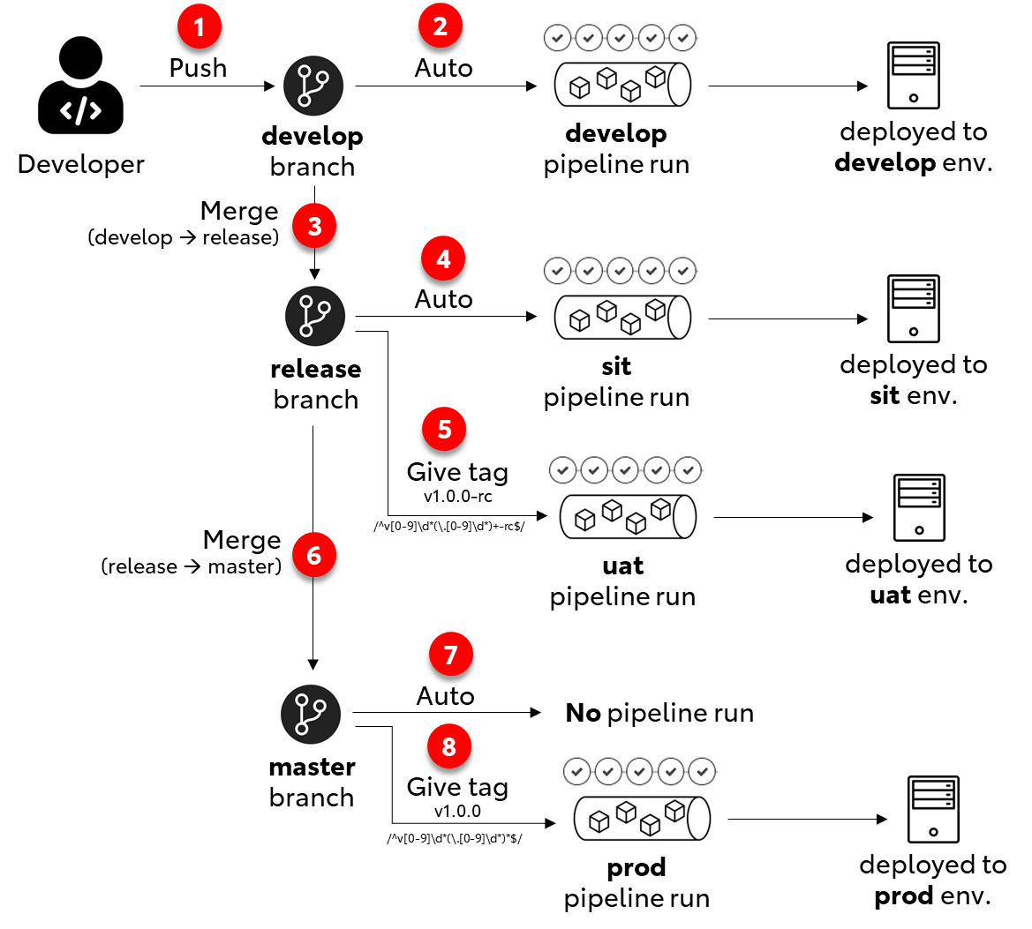

 |  | More WiKi information : |  | https://scm.ap.toyota-asia.com/groups/devsecops/guideline/-/wikis/B.-Openshift/1.-Introduction-to-Openshift

Role & Responsiblity
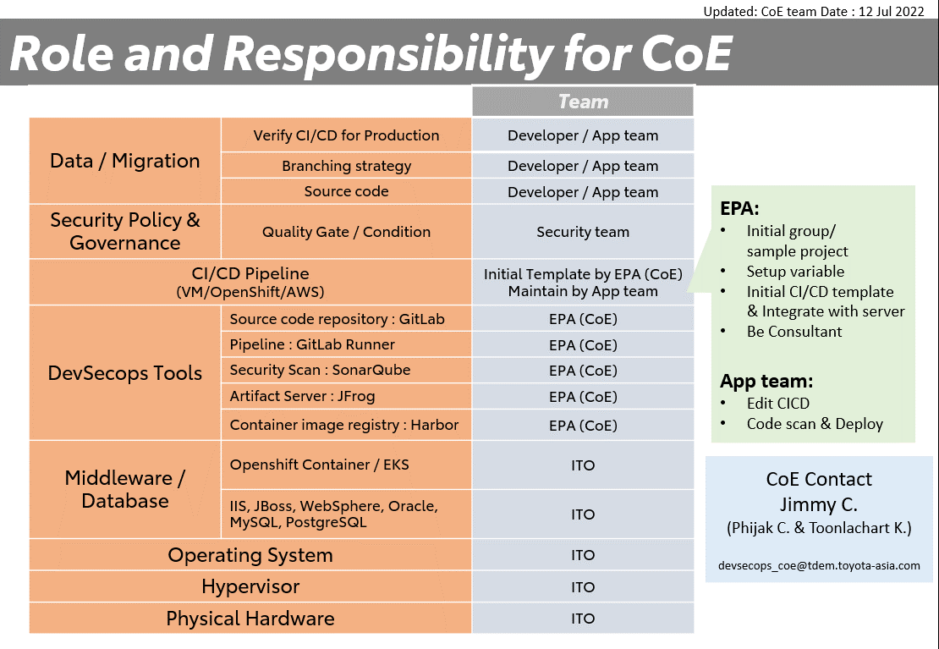
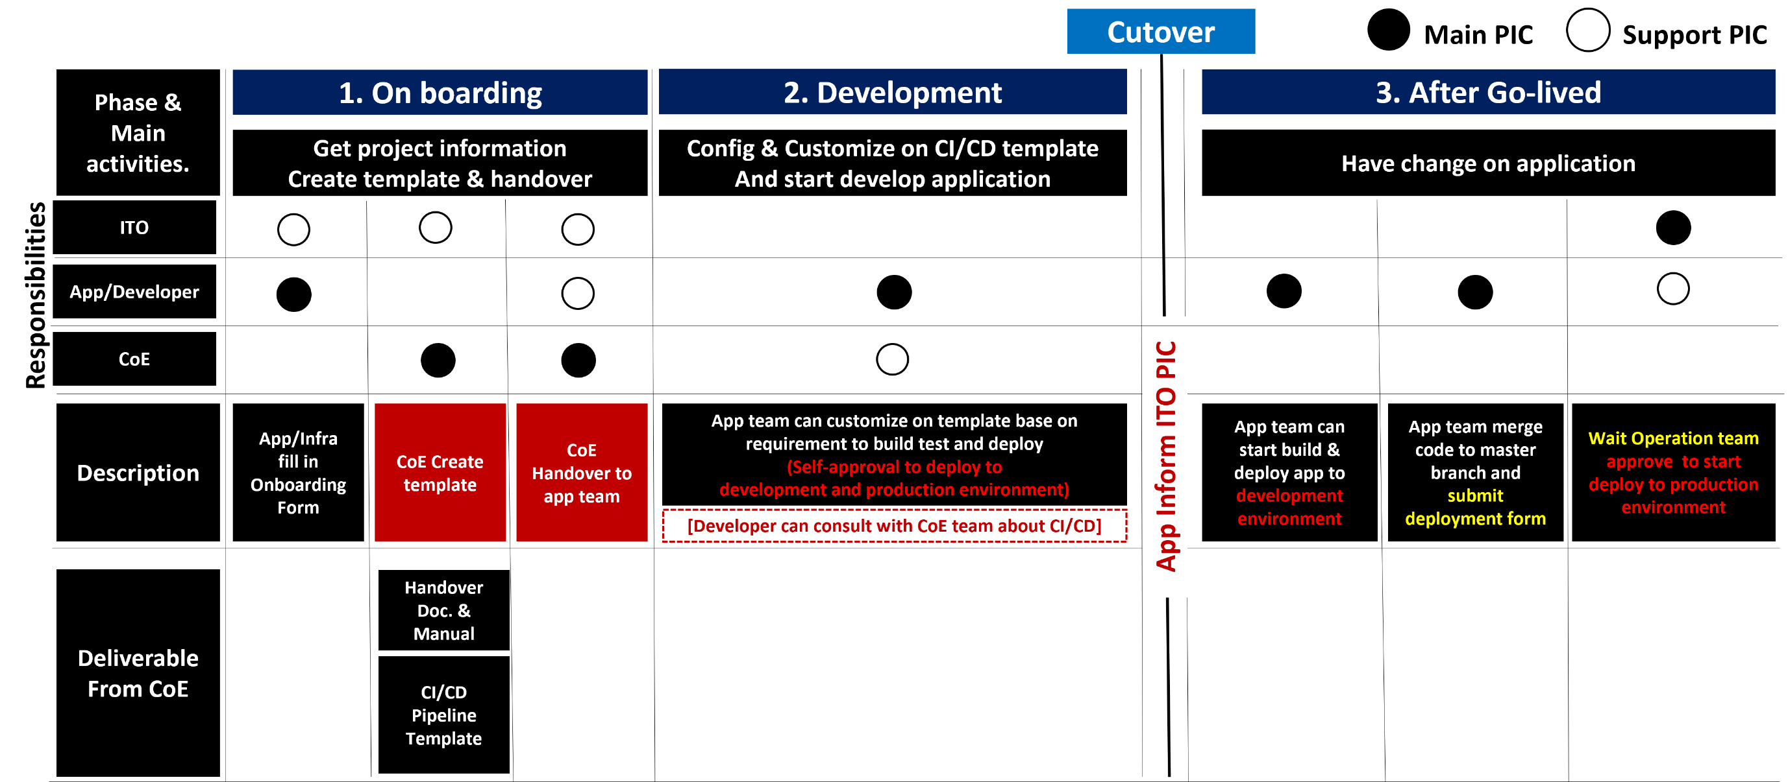

devsecops_coe@tdem.toyota-asia.com

